GSPs Only
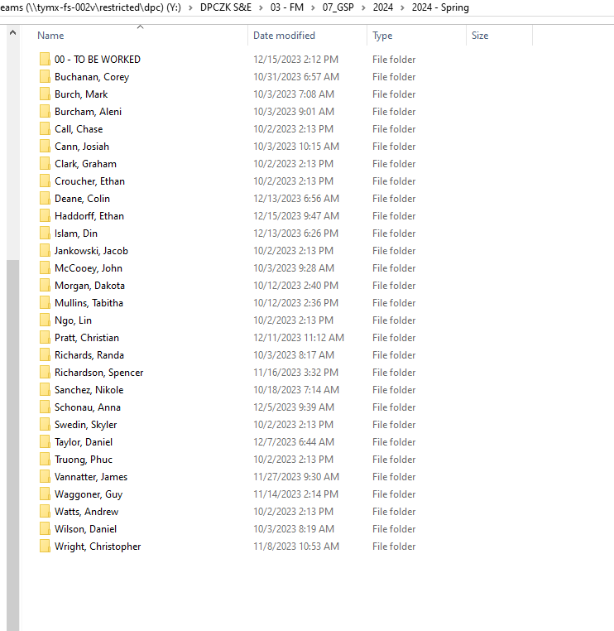
Semester | Name | Received | Completed | Touch Time | Notes | Name of person working | Over $35K?
 | Sanchez, Nikole | 2023-07-04 | 2023-07-07 | 3 | GSP/MoM approved/sent out, FR approved 7 Dec 2023 | Heath Holt
 | Truong, Phuc | 2023-08-24 | 2023-09-05 | 8 | GSP/MoM approved/sent out, 12 Dec CSA approved (GD), 13 Dec Education Goal approved (GD). 14 Dec FR approved. | Gil Dominguez
 | Clark, Graham | 2023-08-28 | 2023-08-28 | 0 | GSP/MoM approved/sent out, Educ Goal Approved, FR approved 14 Dec 2023 | Gil Dominguez
 | Morgan, Dakota | 2023-08-28 | 2023-09-08 | 9 | GSP/MoM approved/sent out, 13 Dec CSA and Education Goal approved (GD). 14 Dec FR approved (GD). | Gil Dominguez
 | Swedin, Skyler | 2023-08-29 | 2023-09-05 | 5 | GSP/MoM approved/sent out | Gil Dominguez
 | Jankowski, Jacob | 2023-08-30 | 2023-09-06 | 5 | GSP/MoM approved/sent out, 12 Dec CSA approved (GD), 13 Dec Education Goal approved (GD). 14 Dec FR approved. | Gil Dominguez
 | Call, Chase | 2023-09-05 | 2023-09-08 | 3 | GSP/MoM approved/sent out | Gil Dominguez
 | Watts, Andrew | 2023-09-06 | 2023-09-06 | 0 | GSP/MoM approved/sent out, 12 Dec Education Goal approved (GD). 14 Dec FR approved. | Gil Dominguez | N
 | Croucher, Ethan | 2023-09-12 | 2023-09-14 | 2 | GSP/MoM approved/sent out, Educ Goal Approved | Gil Dominguez
 | Ngo, Lin | 2023-09-13 | 2023-09-29 | 12 | GSP/MoM approved/sent out, Educ Goal Approved | Gil Dominguez
 | Vannatter, James | 2023-09-14 | 2023-11-14 | 43 | Waiting on DPCZ approval - last step, after getting course descriptions sent back to Juanita 11/2/23. Over $35K. 11/14/23 Completed. CSA, Signed and approved. It is $40K so over the $35K limit. 12 Dec Education Goal approved (GD).13 Dec FR approved. | Terri Garner | Y | Spring 2024
 | Waggoner, Guy | 2023-09-19 | 2023-11-14 | 40 | Waiting on DPCZ approval - last step, 11/3/23 sent email to PAQ for updated course descriptions, 11/3/23 received email from PAQ with same course description, emailed him back again. 11/8/23 Sent GSP and new course descripitons to Juanita. Over 35K. 11/14/23 Completed. 14 Dec CSA approved (GD). 15 Dec Education Goal approved (GD). 18 Dec Funding Request approved. | Terri Garner |  | Summer 2024
 | Haddorff, Ethan | 2023-09-21 | 2023-10-16 | 17 | GSP/MoM approved/sent out, Educ Goal Approved, Funding Request Approved | Terri Garner |  | Fall 2024
 | Mullins, Tabitha | 2023-09-25 | 2023-10-12 | 13 | GSP/MoM approved/sent out, 12 Dec CSA approved (GD). 12 Dec Education Goal approved (GD). 18 Dec Funding Request approved. | Terri Garner |  | Spring 2025
 | Cann, Josiah | 2023-09-26 | 2023-10-03 | 5 | GSP/MoM approved/sent out | Gil Dominguez
 | McCooey, John | 2023-09-26 | 2023-10-03 | 5 | GSP/MoM approved/sent out, Educ Goal Approved. 15 Dec Auburn cost jumped to $51K. John exploring Preference #2. 19 Dec Signed updated CSA for USA. | Gil Dominguez
 | Richards, Randa | 2023-09-26 | 2023-10-06 | 8 | GSP/MoM approved/sent out, Educ Goal Approved, 13 Dec FR approved. | Gil Dominguez
 | Wilson, Daniel | 2023-09-26 | 2023-10-02 | 4 | GSP/MoM approved/sent out, 12 Dec CSA approved (GD), 12 Dec Education Goal approved (GD). 14 Dec FR approved. | Gil Dominguez | N
 | Burcham, Aleni | 2023-09-27 | 2023-10-03 | 4 | GSP/MoM approved/sent out, 18 Dec Education Goal approved. | Gil Dominguez
 | Burch, March | 2023-09-29 | 2023-10-03 | 2 | GSP/MoM approved/sent out, 12 Dec Education Goal approved (GD) | Gil Dominguez
 | Griffey, Andrew | 2023-10-12 |  |  | (3 Nov) Sent to Keyania, 11/14/2023 Sent message to PAQ needing course descriptions for NC. 11/16/23 Spoke to Mr. Griffey, he is going to remove NCSU from his GSP and get it re-signed, he has already been accepted from one of the colleges. TEG Changed from 35k to under 35k. 11/20/23 He changed his mind, I got the course descriptions for the over $35k and it was forwarded to Juanita. 11/20/23 Juanite returned and waiting on course description from University of Colorado from the PAQ. TEG 11/21/23 Received information, forwarded all information to Juanite. TEG. 11/22/23 Sent message to PAQ, needs GS-15 endorser comments on the GSP. TEG 11/27/23 Received new signed and commented GSP from PAQ, got keyania to re-sign and sent to Juanita/latrice. TEG 11/29/23 Spoke with the PAQ, his 1st Univeristy prices are changing (given the wrong information previously), so sent a new GSP with corrected amounts. Sent Juanita a message to get he old one back. TEG 12/1/23 Keyania wants a definition of Fees for each university and NC state needs to show online/in state. TEG 12/4/23 Got with Gil to get a better understanding of mandatory fees, sent PAQ a message requesting information. TEG. 15 Dec, CBW reviewed and forwarded to Keyania. Signed GSP and Course Descriptions forwarded to Juanita. (GD). | Terri Garner | Y
 | Schonau, Anna | 2023-10-13 | 2023-10-16 | 1 | GSP/MoM approved/sent out, 12 Dec CSA approved (GD). 14 Dec Education Goall approved (GD). | Terri Garner
 | Buchanan, Corey | 2023-10-19 | 2023-10-30 |  | Complete. 14 Dec FR approved (GD). | Terri Garner | N
 | Islam, Din | 2023-11-01 |  |  | Did not provide Tuition/Fee tables and CWB sheet 11/20/23 Updates provided and GSP approved. CCoNY doesn't accept GPC. | Gil Dominguez | N
 | Wright, Christopher | 2023-11-07 | 2023-11-07 |  | Complete. 30 Nov, FR approved. CSA to be revised for 4 Qtrs. | Gil Dominguez | N
 | Tayler, Daniel | 2023-12-04 |  |  | Sent new GSP & CSA for starting Spring 2024. I ask for a list of mandatory fees to for the cost breakdown sheet. TEG Recevied information. 12/7/23 Approved. TEG. 19 Dec Education Goal approved (TEG). | Terri Garner | N
 | Deane, Colin | 2023-12-12 | 2023-12-14 |  | 13 Dec CSA approved. PAQ requested 1 semester delayed start due to course scheduling. 13 Dec Education Goal approved. 14 Dec FR approved. | Gil Dominguez
 | Bonnell, Roberta | 2023-12-14 | 2023-12-20 |  | Submitted GSP very late. No strong justification provided. Physics major going for EE degree. 19 Dec GSP approved (GD). 20 Dec CSA approved (GD). 20 Dec Education Goal approved. | Gil Dominguez
 | Muskin, Temima | 2023-11-09 |  |  | Has not completed GSP. 4 notices sent. EOD 09/28/2022 | Terri Garner
 | Mendenhall, Anna | 2023-11-20 |  |  | Has not completed GSP. EOD 07/03/2023 | Terri Garner
 | Sim, Neo | 2023-12-07 | 2023-12-21 |  | Above $35K. Needs funding plan. EOD 07/31/2023, Semester starts 08/19/2024. 21 Dec resubmit for Fall 2024 using new GSP form (GD). | Terri Garner
 | Roeder, Bethany | 12/19//2023 |  |  | Submittted GSP LATE. 21 Dec GSP approved. Semester starts 08/19/2024 | Gil Dominguez
 | Orr, Samuel | 2023-12-14 | 2023-12-20 |  | Requested approval to delay Graduate school. EOD 01/30/2023. Josh approved. Resubmit GSP for Fall 2024. | Gil Dominguez
 | Jacques, Matthew | 2020-12-19 | 2023-01-03 |  | No GSP Form submitted but requesting a Spring 2024 start. GSP coord difficult because POCS are on-leave. E-mail sent to PAQ requesting ASAP coordination. 3 Jan GSP approved. Waiting for CSA. CSA approved. Waiting for Education Goal. | Gil Dominguez
Summer 2024 | Nguyen, Ronnie | 2024-01-01 |  |  | GSP submitted, missing PAQ POC justication and signature. | Terri Garner
 | Griffey, Andrew | 2024-01-08 |  |  | 8 Jan - At Division, pending review. Semester starts 16 Jan | Gil/Terri | Y

MyPers Chart
myPers Announcements
 | Total | Avg | Goal
10/29/2023 | 4 | 0.75 | 3
11/5/2023 | 2 | 1.00 | 3
11/12/2023 | 7 | 0.86 | 3
11/19/2023 | 5 | 1.20 | 3
11/26/2023 | 5 | 1.00 | 3
12/3/2023 | 4 | 0.75 | 3
12/10/2023 | 10 | 0.30 | 3
12/17/2023 | 2 | 1.00 | 3
12/24/2023 | 0 | 0.00 | 3
12/31/2023 | 3 | 0.67 | 3
1/7/2024 | 0 | 0.00 | 3

RPA Chart
RPA Metrics
 | Total | Avg | Goal
11/19/2023 | 0 | 0.00 | 1
11/26/2023 | 0 | 0.00 | 1
12/3/2023 | 0 | 0.00 | 1
12/10/2023 | 0 | 0.00 | 1
12/17/2023 | 0 | 0.00 | 1
12/24/2023 | 0 | 0.00 | 1
12/31/2023 | 0 | 0.00 | 1
1/7/2024 | 0 | 0.00 | 1

Invoice Chart
Invoices
 | Total | Avg | Goal
10/29/2023 | 0 | 0.00 | 3
11/5/2023 | 0 | 0.00 | 3
11/12/2023 | 0 | 0.00 | 3
11/19/2023 | 0 | 0.00 | 3
11/26/2023 | 0 | 0.00 | 3
12/3/2023 | 0 | 0.00 | 3
12/10/2023 | 0 | 0.00 | 3
12/17/2023 | 0 | 0.00 | 3
12/24/2023 | 0 | 0.00 | 3
12/31/2023 | 0 | 0.00 | 3
1/7/2024 | 0 | 0.00 | 3

PAQ Chart
PAQ Customer Care
 | Total | Avg | Goal
10/29/2023 | 0 | 0.00 | 3
11/5/2023 | 0 | 0.00 | 3
11/12/2023 | 0 | 0.00 | 3
11/19/2023 | 0 | 0.00 | 3
11/26/2023 | 0 | 0.00 | 3
12/3/2023 | 0 | 0.00 | 3
12/10/2023 | 0 | 0.00 | 3
12/17/2023 | 0 | 0.00 | 3
12/24/2023 | 0 | 0.00 | 3
12/31/2023 | 0 | 0.00 | 3
1/7/2024 | 0 | 0.00 | 3

AFVEC Chart
AFVEC TA Request
 | Total | Avg | Goal
10/29/2023 | 1 | 0.00 | 3
11/5/2023 | 4 | 1.00 | 3
11/12/2023 | 5 | 0.00 | 3
11/19/2023 | 8 | 103.00 | 3
11/26/2023 | 12 | 0.00 | 3
12/3/2023 | 32 | 0.00 | 3
12/10/2023 | 23 | 0.00 | 3
12/17/2023 | 12 | 0.00 | 3
12/24/2023 | 7 | 42.00 | 3
12/31/2023 | 19 | 0.00 | 3
1/7/2024 | 3 | 0.00 | 3

GSP Chart
Graduate School Proposals
 | Total | Avg | Goal
10/29/2023 | 1 | 0.00 | 3
11/5/2023 | 1 | 0.00 | 3
11/12/2023 | 2 | 41.50 | 3
11/19/2023 | 0 | 0.00 | 3
11/26/2023 | 0 | 0.00 | 3
12/3/2023 | 0 | 0.00 | 3
12/10/2023 | 1 | 0.00 | 3
12/17/2023 | 3 | 0.00 | 3
12/24/2023 | 0 | 0.00 | 3
12/31/2023 | 0 | 0.00 | 3
1/7/2024 | 0 | 0.00 | 3

Qual Reviews Chart
Qualification Reviews
 | Total | Avg | Goal
10/29/2023 | 2 | 3.50 | 3
11/5/2023 | 2 | 2.50 | 3
11/12/2023 | 1 | 6.00 | 3
11/19/2023 | 0 | 0.00 | 3
11/26/2023 | 0 | 0.00 | 3
12/3/2023 | 0 | 0.00 | 3
12/10/2023 | 2 | 2.00 | 3
12/17/2023 | 1 | 6.00 | 3
12/24/2023 | 0 | 0.00 | 3
12/31/2023 | 3 | 2.00 | 3
1/7/2024 | 0 | 0.00 | 3

STEM+M Chart
STEM+M Customer Care
 | Total | Avg | Goal
10/29/2023 | 1 | 0.00 | 3
11/5/2023 | 0 | 0.00 | 3
11/12/2023 | 0 | 0.00 | 3
11/19/2023 | 0 | 0.00 | 3
11/26/2023 | 0 | 0.00 | 3
12/3/2023 | 0 | 0.00 | 3
12/10/2023 | 0 | 0.00 | 3
12/17/2023 | 0 | 0.00 | 3
12/24/2023 | 0 | 0.00 | 3
12/31/2023 | 0 | 0.00 | 3
1/7/2024 | 0 | 0.00 | 3

